Info
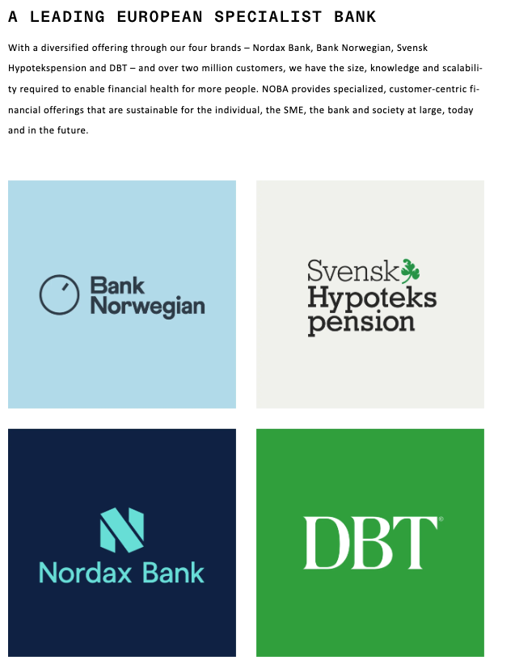
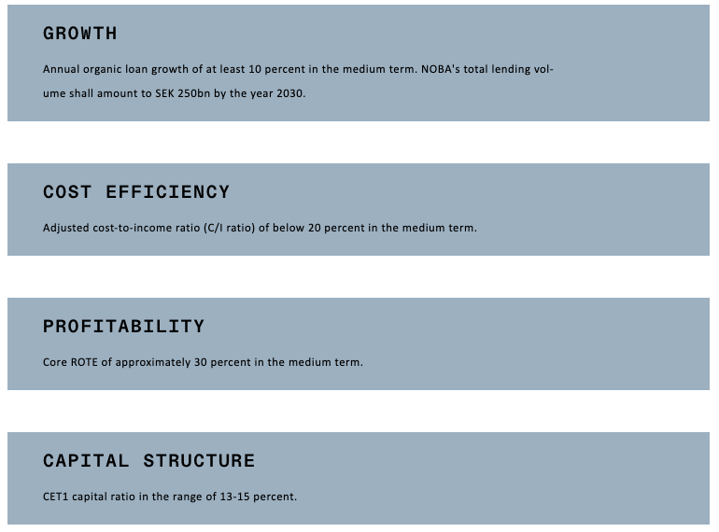
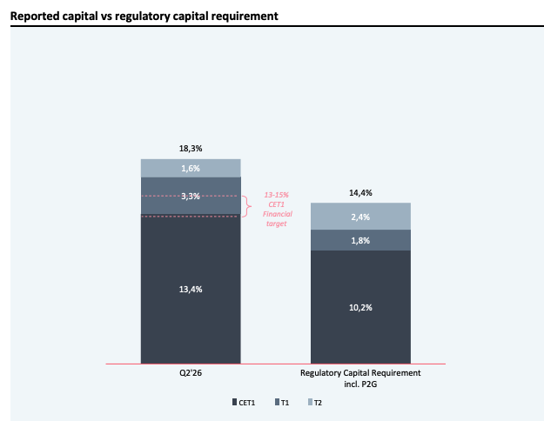

 |  |  |  | Nordax tilbyr:
 |  |  |  | Forbrukslån (Private loan)
 |  |  |  | Boliglån (Secured)

 |  |  |  | Bank Norwegian tilbyr:
 |  |  |  | kredittkort
 |  |  |  | Forbrukslån (Private loan)
 |  |  |  | Grønt lån (Private loan)
 |  |  |  | Rammelån (Secured/Priavte loan)

 |  |  |  | Svensk hypotekspension tilbyr:
 |  |  |  | Pantesikret equity release eller reverese mortgage
 |  |  |  | Øker belåningen på boligen din og får ut EK
 |  |  |  | Ingen amort eller renter, betales tilbake når huset selges eller ved dødsfall
 |  |  |  | Lånet akkumuleres helt til boligen selges eller døsfall og lånet kan ikke voerstige husets verdi. Stiger lånet over husets verdi er det NOBA tap

 |  |  |  | DBT tilbyr:
 |  |  |  | Bedriftslån fr 5-50 SEKm, 4,5% + STIBOR (Private loan)

NOBA er heldigital
NPL = Non perfoming loans

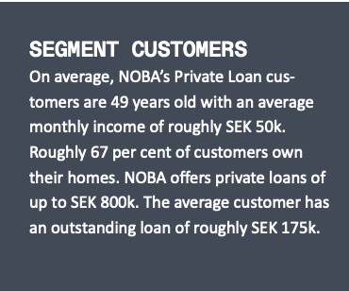
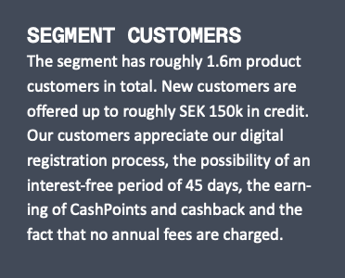
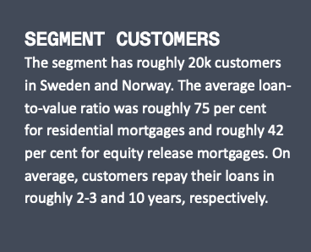
Private loans | Credit cards | Secured loans
 |  |  | Nordic capital er i styret, Christopher Ekdahl
 |  |  | Sampo er i styret, Richard Wennerklint

Press releases:
22.09.26: Sampo hat gjort et nedsalg på 14,7 mill aksjer til ish 85,2 SEK, eier nå 10,01%
04.09.26: NOBA har utstedt en subordnated tier 2 bond. Verdien er 350 SEKm med løpetid 10,4 år med mulig først call etter 5,1 år som betaler STIBOR + 2,22%
01.07.26: NOBA utsteder senior preferred bonds. Bonds er på 200 SEKm med forfall 2029. Renten er 3 månender STIBOR + 1%
23.06.26: NOBA utsteder 2 Senior Preferred bonds med verdi på 500 SEKm. Renten er STIBOR/NIBOR + 1,10%
17.06.26: NOBA utsteder AT1 bond på 750 SEKm. Renten er STIBOR + 3,75%
10.02.26: Nordic cap og Sampo selger 50 mill aksjer total til 100SEK/aksje. Nordic cap 40 og Sampo 10.
03.02.26: NOBA fullfører oppkjøpet av DBT Capital AB.
19.12.26: NOBA utsteder Senior preferred Bonds på 300 SEKm, renten er STIBOR + 1,25%
18.12.26. NOBA kjøper DBT Capital AB som er spesialisert i utlån til small and medium-sized enterprises. Prisen er 403 SEKm

Funding
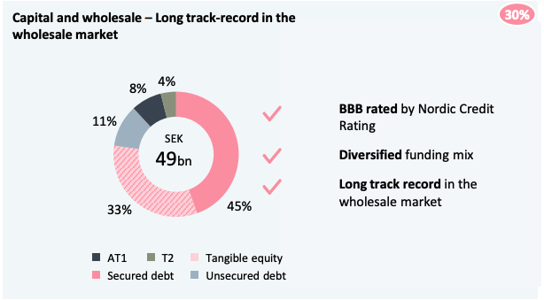
Q226
Deposits
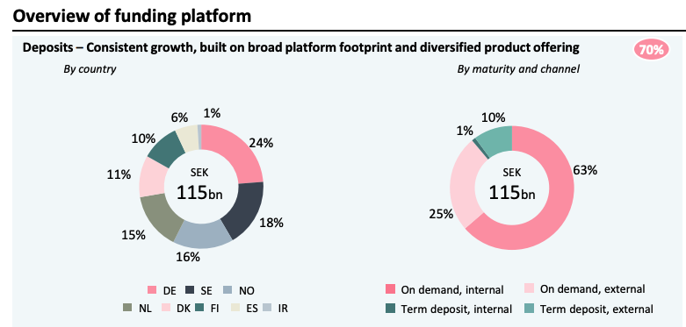

Financing

